Estimate and Scheduling Req
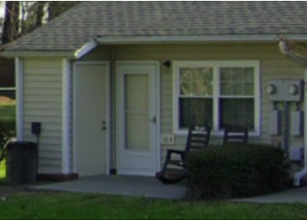
Customer | 1st Contact | Property | Location | Scope
Partnership - Jennifer Hatcher | 2025-04-03 | Greenfield Manor | Mullins, SC | PM: Can you price the windows for this building 193. Building 191 and 195 are brick with wooden gables. I’d like to finish that street off and move around to 1101 is all wooden and 1103 is brick with wooden gables. RESPONSE:I do have a question. Only Windows for Building 193, siding is complete. Are the rest of the buildings on the street side 191,195,1101,11,03,1105,1107 needing the windows as well as we do siding? Are we doing 1105 & 1107? PM: Yes, siding and windows for those units.
Partnership - Kellie Atkins | 2025-04-30 | Mallard Creek | Auroura, NC 27806 | Replace 22 exterior storage doors - 36 X 80 (Photo to right)
Partnership - Kellie Atkins | Estimate Provided-waiting on approval | Park Place | Snow Hill, NC | $26K Quote
Partnership - Kellie Atkins | 2025-04-28 | Park Place | Snow Hill, NC | We also have an existing gazebo there that the floor needs to be replaced however I would like to get a quote to fill in the hole under it with concrete and just build a new shelter. If I could get quotes separately that would be great .
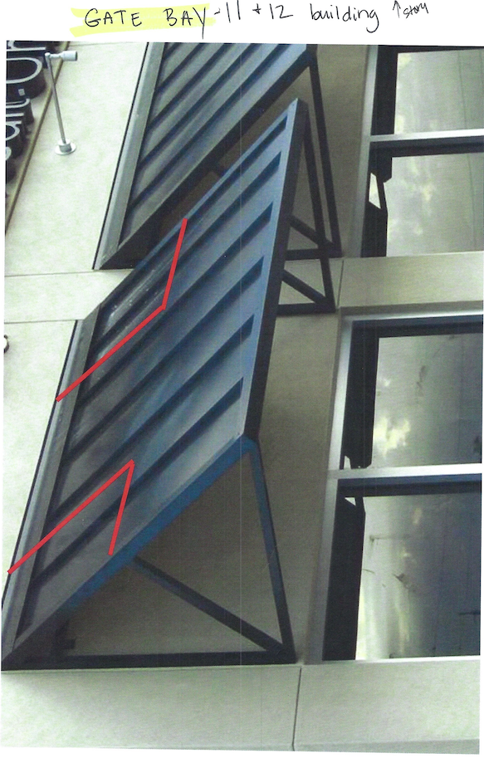
Partnership - Nadia Gallovich | Work approved 5/2/25 - Need dates for contract $110,250 | Wilmington Court | Wallace, NC | 160 window replacements
Partnership - Nadia Gallovich | 2025-05-21 | Oak Ridge | Wallace, NC | 16 breezeway windows replaced
Partnership - Tracy Young | Estimate Provided-waiting on approval | Palmetto |  | Siding & Windows - 7/8/25 added shutter request
Partnership - Jennifer Hatcher |  | Gatebay | Conway, SC | Gate Bay over bldg. 11 and 12 in Conway. (photo to right)

Partnership |  | Pinetree Apartments? | Oxford, NC

12.16.22

Team Meeting
12.16.22
Present: Wes, Sam, Oscar, Stephanie (who looks very nice today even though she is in an exam) and The Prince(the fab 5 All HERE)
Topics
1.) | Weekly: Sub calendar update/Daily Job Sheets/Photos Uploaded
2.) | Siding/roofing/gutter/door/window pricing template (Do we have this? Timeline of initiative?) Nov 15 target date **Uplouded to SharePoint 10/28/22 *OCN**
3.) | PO - PM to enter prior to job start; note if it is a subcategory of a job the name doesn't feed down BOLO for this
4.) | Contract log
5.)
6.) | Vehicle Inspections 1998 GMC, 2007 Chevy, Service Truck, Wes
7.) | Christmas
8.)
PROJECTS
Current Projects (Start Date) | Project Manager | Subcontractor & Schedule THIS WEEK | Subcontractor & Schedule NEXT WEEK/FUTURE | Date Inventory Recorded | Weekly Job Summary (Materials Ordered/Arrival Date/Work Performed/Action Taken) | Action Items Next Week (Change Order Submission Needed/Unsafe Conditions/Materials/Opportuities) | Estimated Job Completion Date | CONTRACTS
HRP Haywood II | Wes | Cipriano | Cipriano mid-April-June |  | Manuel installed handrails on bldg 2 breezeways on 10/17. Waiting on bldgs 1 & 3 to be ready to install breezeway siding and soffit. *SJH - 10/19/22 |  | 2022-08-25 | Zavala contract executed - Villeda need to see if in service truck
HRP Holly Springs | Wes | Abel Gamboa | Abel through June (Crew 1) |  | Building 1300 concrete poured 8-23. Was supposed to be poured first week of august. Was told on 8-19 by CSM and TC that 1300 was ready. Sent crew on Monday and it was not ready. See 8-23 job report for more info. 1500 concrete to be poured 9-8? |  | 2022-08-22
HRP Pine Forest II (4/16/22) | Wes |  | Abel Start Beg Aug. | estimated start mid-May | Remaining metal roofing order delivered on Tuesday, 8/30/22. Roofers began installing shingles on bldg 4 and metal on all bldgs. Zavala's measurements and quantities were incorrect - please see action items to the right. *SJH 9/6/22 | Supplementary metal to be picked up between 9/8-9/9. Wes/CJ to take it if it arrives on 9/8, SJH to take it if it arrives on 9/9. *SJH 9/8/22
KMW Church St Lofts (4/2022) | SJH |  |  |  | TKG working on installing corridor base and handrails backing, exterior and storage doors throughout the rest of the building, and hardware kits for units that are ready. *SJH - 10/19/22 | Stay up to date on drywall progress.
KMW Leo Loso/Gateway @ CLT Park $$$ | Wes | Rogelio 4/13 | Cipriano June-August |  | Cipriano working on courtyard of #2 until the weekend of 10/21, then he's moving to the outside of the building while grading and pool are installed. Hardie truck #11 scheduled for delivery on 10/20/22. Caulk delivered by SJH on 10/14. EZ.21 truck delivery is still en route, no tracking is available and they can't give us any more information on the driver's progress. *SJH - 10/19/22 | Tiger wood planks sourced through Beeson Hardware, per Scott Boswell. Order not yet placed, but distributor has confirmed availability. *SJH 8/15/22
KMW Retreat $$$ | Wes | Abel Gamboa | Through 6-30(Crew 2) | estimated 5/25/22 | Guys not onsite this week due to wtf? 2 weeks to finish columns. waiting on abel for confirmation. | Will need (4) pallets of 4x10 to finish columns. CJ to "make it happen" with other material *WA 8/4/22 | 2022-08-15
KMW Springfield | SJH |  |  |  | All preordered materials have arrived and are either on-site or in Wesco warehouse $80K profit - why? missing/miscoded invoices? Extra profit is from bathroom hardware order (not yet placed to save space in shop - pricing held on quote from HD Supply) *SJH - 10/19/22 | Jason B. & Kyle M. Say that the job is likely to CLOSE in October, with work beginning in November. Still no confirmation on start date from KMW - *SJH - 10/19/22
St. Marks | SJH |  |  |  | CO for storage fees approved and charged. Still no definite date on completion of breezeway gypcrete, but Caleb says the building should be ready for us "in two weeks". They have asked us to install gutters on #5 & Pool house ASAP - Rigo might be able to go as early as 10/20/22. *SJH - 10/19/22 | Potential future job - vinyl ceilings in breezeways. Nothing new as of 9/2/22. No decision has been made here yet. *Caleb still doesn't have answer on this - it is not likely that this will be awarded at this point since the property is selling in a few weeks. *SJH - 10/19/22
HRP Waterway |  | Samir |  |  | First 5 Truckloads have been delivered, Next 9 Trucks should arrive on or before 11/29. Also Ordered Breezeway Solid Soffit from Alside. *OCN 10/19/22. Need subcontract agreements - Samir - Hardie picking up 320 of 5/4x12 *OCN 11/10/22 | Need subcontract for Samir*
Carlisle Reno |  |  |  |  | Job is completed and invoice was sent a month ago. Waiting on payment to be made. *SJH - 10/19/22
PPM - Larchmont (Asheville, NC) | SJH | Rigo |  | Jason Buffkin | Manuel making corrections to framing repairs, reinstalling jack posts as permanent fixtures with (3) 2x8 beam, installing drywall and getting ready for final inspections. At current pace, Manuel should finish with work on 10/20 or 10/21. Final inspections to be performed at beginning of following week based on inspectors availability. *SJH - 10/19/22 | Sam working with engineer to get pricing together for recently damaged exterior wall. Engineer is to submit repair plan for review on 10/19/22. *SJH - 10/19/22
Springbranch - Becon (Wilmington, NC) | Wes | Rogelio/Rigo |  |  | Replace 60 sashes | Waiting for confirmation for materials to arrive.
Upcoming Projects (Start Date) | Project Manager | Subcontractor |  |  | Weekly Planning Summary (Materials Ordered/Arrival Date/Change Order Submission Needed/Unsafe Conditions/Opportuities) | Action Items This Week | Estimated Start Date
HRP Brightwood (4/2023)
Wakefield (4/2023) |  |  |  |  | Sent Pricing hold list to C. Little on 7/11/22. Working on final ordering takeoff in preparation of job ordering. Job is delayed due to extensive blasting that is not yet complete. *SJH 7/11/22 | SJH to follow up with Lansing on duration of pricing hold, as well as with KMW for job progress. Materials need to be ordered before contract pricing increases, but need to hold out as long as possible due to delayed job-start date. *SJH 8/24/22
Melanie Combs house
Pipeline/Bids | Project Manager | Anticipated Subcontractor | Estimated Start Date | Customer Contact | Bid Status | Action Needed/Comments | Estimated Start Date
PPM - Wind Ridge |  |  |  | Jason Buffkin | Get pricing together to complete panel replacement. *SJH - 10/19/22
PPM - Regal Oaks |  |  |  | Jason Buffkin | Need to send Jason pricing for structural repairs ASAP. *SJH - 10/19/22
PPM-Kings Crossing | Not KW |  |  | Jason Bufkin | Stair replacement, site steps, sidewalk plates
PPM - Plantation Village | Not KW |  |  | Jason Bufkin | Roofing, Windows, Dumpster Fence, Mailbox Posts, 8x8
PPM - Silver Trace Apts | Not KW |  |  | Jason Bufkin | Stair Tread replacement, mailbox posts (8x8)
PPM - Little Pee Dee Manor | Not KW |  |  | Jason Bufkin | Gazebo Enclosure, Fountain pricing
PPM - Churchwood Apts | Not KW |  |  | Jason Bufkin | 2 story bay window replacement , accent siding, aluminum columns per PM
PPM - Greenfield | Not KW |  |  | Jason Bufkin | Storage room doors, roof replacement, siding pricing per building
Mountain Glen - Brevard | Not KW |  | 2022-08-22 | KMW | Put off until 2023 | Go measure week of 8/29-9/2/22
KMW - Hartwood Village | Not KW |  |  |  | Roofing, windows, interior doors, hardware, dumpster fence | Waiting on pricing back on interior doors/windows from GCL, ABC
PPM - Westridge Apts. | Not KW |  |  | Jason Bufkin
KMW - Wesleyan Homes | Not KW |  |  | Kyle McDowell | Initial pricing estimate sent to KMac on Thursday, 5/19/22. *SJH 5/20/22 | Potential start of February/Q1 of 2023
HRP Murrayville |  |  |  |  | Potentially starting on first week of June - waiting on contract approval. *SJH 5/20/22
HRP Brightwood Farms |  |  |  |  | Bid Submitted on 5/25/22. *SJH 5/27/22
KMW - Fairway PH2 |  |  |  |  | Bid sent to C. Binkowski on 11-10-22 *OCN 11/10/22
KMW - Maynard Rd. |  |  |  |  | Sent pricing revision to C. Binkowski on 7/28/22.
HKJ Magnolia Hills
HKJ Broadstone |  |  |  |  | Bid has been sent
HKJ Wynslow |  |  |  |  | Bid has been sent
WC - Pegram Landing Ph2 |  |  |  |  | Updated quote sent 11/1/22 *OCN
Park @ Aventino |  | SAVALA |  |  |  | WA WORKING ON BID
Windsor 4th&Elm |  |  |  |  | Estimate sent *OCN 10/18/22
Ariston Place - Windsor |  |  |  |  | Awaiting Subcontract *OCN 10/26/22
Ginkgo - Glendare |  |  |  | Paul Sidam | Received return correspondence from Ginkgo that they are reviewing our price, but said that on first glance it is significantly higher. *SJH 8/24/22
Ashley Oaks - Living Well Homes |  |  |  |  | All currently awarded work has been completed. Property is working through budgets to approve outstanding quotes.
SC Hail Job

10.27.22
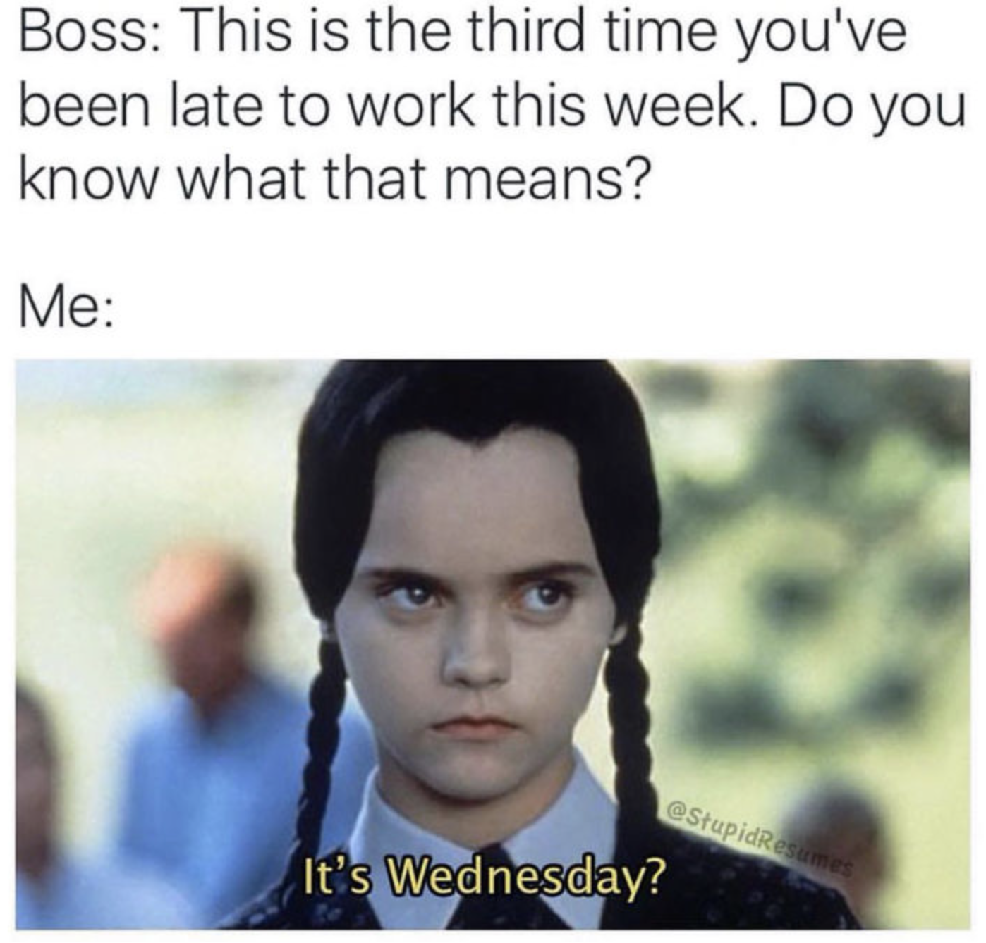
Team Meeting
2022-10-27
Present: Wes, Sam, Oscar, Stephanie (who looks very nice today) and The Prince(the fab 5 All HERE)
Topics
1.) | File Naming Strategies - use descriptive words like "Plans" as this makes it easier to locate later on
2.) | Siding/roofing/gutter/door/window pricing template (Do we have this? Timeline of initiative?) Nov 15 target date **Uplouded to SharePoint 10/28/22 *OCN**
3.) | Sub calendar
4.) | Daily JOB sheets must be filled out. They will cover our ass eventually due to the sorry ass superintendents we are dealing with on 90% of our jobs. Follow up with emails and/or text messages.
5.) | Prelim Job Checklist - PO - enter prior to job start - Contract (new log - in this workbook)
6.) | Vehicle Inspections 1998 GMC, 2007 Chevy, Service Truck
7.) | Time to tidy up office - Trash days Tuesday and Friday - if trash hasn't been taken out to curb when you are leaving the night before or arriving , please take it out.
8.) | Hotels - ask your subs to send you receipts so you can check to be sure we aren't over charged. Put receipts in their CC folder with your initials and date on it so we know it's been reviewed.
PROJECTS
Current Projects (Start Date) | Project Manager | Subcontractor & Schedule THIS WEEK | Subcontractor & Schedule NEXT WEEK/FUTURE | Date Inventory Recorded | Weekly Job Summary (Materials Ordered/Arrival Date/Work Performed/Action Taken) | Action Items Next Week (Change Order Submission Needed/Unsafe Conditions/Materials/Opportuities) | Estimated Job Completion Date | CONTRACTS
HRP Haywood II | Wes | Cipriano | Cipriano mid-April-June |  | Manuel installed handrails on bldg 2 breezeways on 10/17. Waiting on bldgs 1 & 3 to be ready to install breezeway siding and soffit. *SJH - 10/19/22 |  | 2022-08-25 | Zavala contract executed - Villeda need to see if in service truck
HRP Holly Springs | Wes | Abel Gamboa | Abel through June (Crew 1) |  | Building 1300 concrete poured 8-23. Was supposed to be poured first week of august. Was told on 8-19 by CSM and TC that 1300 was ready. Sent crew on Monday and it was not ready. See 8-23 job report for more info. 1500 concrete to be poured 9-8? |  | 2022-08-22
HRP Pine Forest II (4/16/22) | Wes |  | Abel Start Beg Aug. | estimated start mid-May | Remaining metal roofing order delivered on Tuesday, 8/30/22. Roofers began installing shingles on bldg 4 and metal on all bldgs. Zavala's measurements and quantities were incorrect - please see action items to the right. *SJH 9/6/22 | Supplementary metal to be picked up between 9/8-9/9. Wes/CJ to take it if it arrives on 9/8, SJH to take it if it arrives on 9/9. *SJH 9/8/22
KMW Church St Lofts (4/2022) | SJH |  |  |  | TKG working on installing corridor base and handrails backing, exterior and storage doors throughout the rest of the building, and hardware kits for units that are ready. *SJH - 10/19/22 | Stay up to date on drywall progress.
KMW Leo Loso/Gateway @ CLT Park $$$ | Wes | Rogelio 4/13 | Cipriano June-August |  | Cipriano working on courtyard of #2 until the weekend of 10/21, then he's moving to the outside of the building while grading and pool are installed. Hardie truck #11 scheduled for delivery on 10/20/22. Caulk delivered by SJH on 10/14. EZ.21 truck delivery is still en route, no tracking is available and they can't give us any more information on the driver's progress. *SJH - 10/19/22 | Tiger wood planks sourced through Beeson Hardware, per Scott Boswell. Order not yet placed, but distributor has confirmed availability. *SJH 8/15/22
KMW Retreat $$$ | Wes | Abel Gamboa | Through 6-30(Crew 2) | estimated 5/25/22 | Guys not onsite this week due to wtf? 2 weeks to finish columns. waiting on abel for confirmation. | Will need (4) pallets of 4x10 to finish columns. CJ to "make it happen" with other material *WA 8/4/22 | 2022-08-15
KMW Springfield | SJH |  |  |  | All preordered materials have arrived and are either on-site or in Wesco warehouse $80K profit - why? missing/miscoded invoices? Extra profit is from bathroom hardware order (not yet placed to save space in shop - pricing held on quote from HD Supply) *SJH - 10/19/22 | Jason B. & Kyle M. Say that the job is likely to CLOSE in October, with work beginning in November. Still no confirmation on start date from KMW - *SJH - 10/19/22
St. Marks | SJH |  |  |  | CO for storage fees approved and charged. Still no definite date on completion of breezeway gypcrete, but Caleb says the building should be ready for us "in two weeks". They have asked us to install gutters on #5 & Pool house ASAP - Rigo might be able to go as early as 10/20/22. *SJH - 10/19/22 | Potential future job - vinyl ceilings in breezeways. Nothing new as of 9/2/22. No decision has been made here yet. *Caleb still doesn't have answer on this - it is not likely that this will be awarded at this point since the property is selling in a few weeks. *SJH - 10/19/22
HRP Waterway |  |  |  |  | First 5 Truckloads have been delivered, Next 9 Trucks should arrive on or before 11/29. Also Ordered Breezeway Solid Soffit from Alside. *OCN 10/19/22. Need subcontract agreements - Samir
Carlisle Reno |  |  |  |  | Job is completed and invoice was sent a month ago. Waiting on payment to be made. *SJH - 10/19/22
PPM - Larchmont (Asheville, NC) | SJH | Rigo |  | Jason Buffkin | Manuel making corrections to framing repairs, reinstalling jack posts as permanent fixtures with (3) 2x8 beam, installing drywall and getting ready for final inspections. At current pace, Manuel should finish with work on 10/20 or 10/21. Final inspections to be performed at beginning of following week based on inspectors availability. *SJH - 10/19/22 | Sam working with engineer to get pricing together for recently damaged exterior wall. Engineer is to submit repair plan for review on 10/19/22. *SJH - 10/19/22
Springbranch - Becon (Wilmington, NC) | Wes | Rogelio/Rigo |  |  | Replace 60 sashes | Waiting for confirmation for materials to arrive.
Upcoming Projects (Start Date) | Project Manager | Subcontractor |  |  | Weekly Planning Summary (Materials Ordered/Arrival Date/Change Order Submission Needed/Unsafe Conditions/Opportuities) | Action Items This Week | Estimated Start Date
HRP Brightwood (4/2023)
Wakefield (4/2023) |  |  |  |  | Sent Pricing hold list to C. Little on 7/11/22. Working on final ordering takeoff in preparation of job ordering. Job is delayed due to extensive blasting that is not yet complete. *SJH 7/11/22 | SJH to follow up with Lansing on duration of pricing hold, as well as with KMW for job progress. Materials need to be ordered before contract pricing increases, but need to hold out as long as possible due to delayed job-start date. *SJH 8/24/22
Melanie Combs house
Pipeline/Bids | Project Manager | Anticipated Subcontractor | Estimated Start Date | Customer Contact | Bid Status | Action Needed/Comments | Estimated Start Date
PPM - Wind Ridge |  |  |  | Jason Buffkin | Get pricing together to complete panel replacement. *SJH - 10/19/22
PPM - Regal Oaks |  |  |  | Jason Buffkin | Need to send Jason pricing for structural repairs ASAP. *SJH - 10/19/22
PPM-Kings Crossing | Not KW |  |  | Jason Bufkin | Stair replacement, site steps, sidewalk plates
PPM - Plantation Village | Not KW |  |  | Jason Bufkin | Roofing, Windows, Dumpster Fence, Mailbox Posts, 8x8
PPM - Silver Trace Apts | Not KW |  |  | Jason Bufkin | Stair Tread replacement, mailbox posts (8x8)
PPM - Little Pee Dee Manor | Not KW |  |  | Jason Bufkin | Gazebo Enclosure, Fountain pricing
PPM - Churchwood Apts | Not KW |  |  | Jason Bufkin | 2 story bay window replacement , accent siding, aluminum columns per PM
PPM - Greenfield | Not KW |  |  | Jason Bufkin | Storage room doors, roof replacement, siding pricing per building
Mountain Glen - Brevard | Not KW |  | 2022-08-22 | KMW | Put off until 2023 | Go measure week of 8/29-9/2/22
KMW - Hartwood Village | Not KW |  |  |  | Roofing, windows, interior doors, hardware, dumpster fence | Waiting on pricing back on interior doors/windows from GCL, ABC
PPM - Westridge Apts. | Not KW |  |  | Jason Bufkin
KMW - Wesleyan Homes | Not KW |  |  | Kyle McDowell | Initial pricing estimate sent to KMac on Thursday, 5/19/22. *SJH 5/20/22 | Potential start of February/Q1 of 2023
HRP Murrayville |  |  |  |  | Potentially starting on first week of June - waiting on contract approval. *SJH 5/20/22
HRP Brightwood Farms |  |  |  |  | Bid Submitted on 5/25/22. *SJH 5/27/22
KMW - Maynard Rd. |  |  |  |  | Sent pricing revision to C. Binkowski on 7/28/22.
HKJ Magnolia Hills
HKJ Broadstone |  |  |  |  | Bid has been sent
HKJ Wynslow |  |  |  |  | Bid has been sent
WC - Pegram Landing Ph2 |  |  |  |  | Updated quote sent 11/1/22 *OCN
Park @ Aventino |  | SAVALA |  |  |  | WA WORKING ON BID
Windsor 4th&Elm |  |  |  |  | Estimate sent *OCN 10/18/22
Ariston Place - Windsor |  |  |  |  | Awaiting Subcontract *OCN 10/26/22
Ginkgo - Glendare |  |  |  | Paul Sidam | Received return correspondence from Ginkgo that they are reviewing our price, but said that on first glance it is significantly higher. *SJH 8/24/22
Ashley Oaks - Living Well Homes |  |  |  |  | All currently awarded work has been completed. Property is working through budgets to approve outstanding quotes.
SC Hail Job

8.24.22
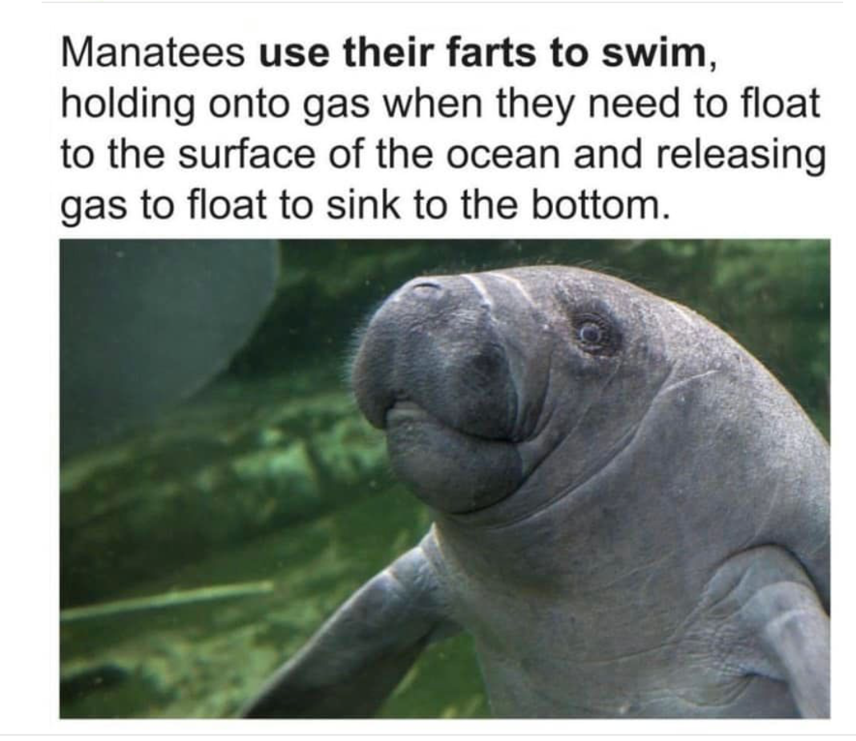
Team Meeting
2022-08-24
Present: Wes, Sam, Oscar, Stephanie (who looks very nice today) and The Prince(the fab 5 All HERE)
Topics
1.) | Contract Review - Subcontractor Contracts - Due 6/1/22 Haywood II Zavala/Cipriano/Manuel; Holly Springs - Abel; Retreat @ Carteret Abel; Charlotte Park - Villeda; Crest Villeda & Yohan; Pine Forest II Abel & Zavala; Hillstone; WindRidge - Manuel (Bolded if prepared; green if executed)
2.) | Siding/roofing/gutter/door/window pricing template
3.) | Sub calendar - *SJH updated for week of 8/15-8/19
4.) | Daily JOB sheets must be filled out. They will cover our ass eventually due to the sorry ass superintendents we are dealing with on 90% of our jobs. Follow up with emails and/or text messages.
5.) | Hillstone work at Wesco jobs - billing - ideas to streamline process and keep communication with Wesco without "surprise work"
6.)
7.)
PROJECTS
Current Projects (Start Date) | Project Manager | Subcontractor & Schedule THIS WEEK | Subcontractor & Schedule NEXT WEEK/FUTURE | Date Inventory Recorded | Weekly Job Summary (Materials Ordered/Arrival Date/Work Performed/Action Taken) | Action Items Next Week (Change Order Submission Needed/Unsafe Conditions/Materials/Opportuities) | Estimated Job Completion Date | CONTRACTS
HRP Haywood II | Wes | Cipriano | Cipriano mid-April-June |  | Building 2 Breezeways are ready for siding | Manuel installing vinyl on buidling 2 | 2022-08-25 | Zavala contract executed - Villeda need to see if in service truck
HRP Holly Springs | Wes | Abel Gamboa | Abel through June (Crew 1) |  | Building 1300 concrete poured 8-23. Was supposed to be poured first week of august. Was told on 8-19 by CSM and TC that 1300 was ready. Sent crew on Monday and it was not ready. See 8-23 job report for more info. 1500 concrete to be poured 9-8? |  | 2022-08-22
HRP Pine Forest II (4/16/22) | Wes |  | Abel Start Beg Aug. | estimated start mid-May | Building 1,2 and 5 metal roofs delivered. Framers suck and are not doing what they say they will do. Roof on garage and building 4 will should be ready monday 8-29. Again framers suck. See daily job report for 8-22. | Metal roofing for last 2 buildings ordered on Monday, 8/22. Waiting on ETA from Triad. *SJH 8/24/22 |  | Zavala contract executed - Abels needs to be turned in.
KMW Church St Lofts (4/2022) | SJH |  |  |  | Began door & trim installation on 1st floor "area A" on Monday, 8/22/24. Drywall crew is fucking us... again. TKG & Manuel are there as of 8/24/22 and the last 5 units still haven't been sanded (sanding began on 8/19 & 8/22, but still isn't completed). Moving forward at our normal pace to maintain our timeline. *SJH 8/24/22
KMW Leo Loso/Gateway @ CLT Park $$$ | Wes | Rogelio 4/13 | Cipriano June-August |  | C. Little says that Hardie is asking to stagger deliveries - Hardie wants (1) truck/week, but we have requested (2) trucks/week. *SJH 8/24/22 | Tiger wood planks sourced through Beeson Hardware, per Scott Boswell. Order not yet placed, but distributor has confirmed availability. *SJH 8/15/22
KMW Retreat $$$ | Wes | Abel Gamboa | Through 6-30(Crew 2) | estimated 5/25/22 | Guys not onsite this week due to wtf? 2 weeks to finish columns. waiting on abel for confirmation. | Will need (4) pallets of 4x10 to finish columns. CJ to "make it happen" with other material *WA 8/4/22 | 2022-08-15
KMW Springfield | SJH |  |  |  | All preordered materials have arrived and are either on-site or in Wesco warehouse | Jason B. & Kyle M. Say that the job is likely to CLOSE in September, with work beginning in October *SJH 7/19/22
St. Marks | SJH |  |  |  | Manuel began installing siding on Thursday, 8/11/22. He was pulled off on 8/15 to handle CO for KMW, but will back on-site around Wednesday, 8/17/22. Brick is complete and Manuel is ~25% complete with the exterior siding. Plans for dumpster gates sent to WA & KB for review - they want a price to build and install. *SJH 8/15/22.
HRP Waterway |  |  |  |  | Sent 5 truck load PO's to Lansing *OCN 8/4/22
Carlisle Reno |  |  |  |  | Waiting on Fire Marshall to complete fire inspection so that final building inspection can be passed. SJH has reached out to the fire marshall every day since 8/19/22 and has left messages - sent email to his address on Monday & Tuesday, 8/22-23/22. Will continue to follow up throughout week until fire marshall is scheduled. *SJH 8/24/22
PPM - Larchmont | SJH | Rigo |  | Jason Buffkin | Rigo should complete work week of 8/22-26. Drywall repairs to begin on Wednesday, 8/24/22. Jason is visiting the job site on 8/24/22. *SJH 8/24/22

Upcoming Projects (Start Date) | Project Manager | Subcontractor |  |  | Weekly Planning Summary (Materials Ordered/Arrival Date/Change Order Submission Needed/Unsafe Conditions/Opportuities) | Action Items This Week | Estimated Start Date
HRP Brightwood (4/2023)
Wakefield (2/2023) |  |  |  |  | Sent Pricing hold list to C. Little on 7/11/22. Working on final ordering takeoff in preparation of job ordering. Job is delayed due to extensive blasting that is not yet complete. *SJH 7/11/22 | SJH to follow up with Lansing on duration of pricing hold, as well as with KMW for job progress. Materials need to be ordered before contract pricing increases, but need to hold out as long as possible due to delayed job-start date. *SJH 8/24/22

Pipeline/Bids | Project Manager | Anticipated Subcontractor | Estimated Start Date | Customer Contact | Bid Status | Action Needed/Comments | Estimated Start Date
PPM - Wind Ridge |  |  |  | Jason Buffkin | Estimate to replace additional panels at stairs submitted to Jason on Monday, 7/18/22. Plan to complete this work while crew is at Larchmont, pending property approval. Jason is seeking approval from owner for this change order. *SJH 7/28/22
Partnership
PPM-Kings Crossing | Not KW |  |  | Jason Bufkin | Stair replacement, site steps, sidewalk plates
PPM - Plantation Village | Not KW |  |  | Jason Bufkin | Roofing, Windows, Dumpster Fence, Mailbox Posts, 8x8
PPM - Silver Trace Apts | Not KW |  |  | Jason Bufkin | Stair Tread replacement, mailbox posts (8x8)
PPM - Little Pee Dee Manor | Not KW |  |  | Jason Bufkin | Gazebo Enclosure, Fountain pricing
PPM - Churchwood Apts | Not KW |  |  | Jason Bufkin | 2 story bay window replacement , accent siding, aluminum columns per PM
PPM - Greenfield | Not KW |  |  | Jason Bufkin | Storage room doors, roof replacement, siding pricing per building
Mountain Glen | Not KW |  | 2022-08-22 | KMW | Need to visit to measure for doors, windows, hardware, roofing, etc. Check on takeoffs and estimate to see what the job involves. *SJH 8/24/22. | Go measure week of 8/29-9/2/22
KMW - Hartwood Village | Not KW |  |  |  | Roofing, windows, interior doors, hardware, dumpster fence | Waiting on pricing back on interior doors/windows from GCL, ABC
PPM - Westridge Apts. | Not KW |  |  | Jason Bufkin
KMW - Wesleyan Homes | Not KW |  |  | Kyle McDowell | Initial pricing estimate sent to KMac on Thursday, 5/19/22. *SJH 5/20/22 | Potential start of February/Q1 of 2023
HRP Murrayville |  |  |  |  | Potentially starting on first week of June - waiting on contract approval. *SJH 5/20/22
HRP Brightwood Farms |  |  |  |  | Bid Submitted on 5/25/22. *SJH 5/27/22
KMW - Maynard Rd. |  |  |  |  | Sent pricing revision to C. Binkowski on 7/28/22.
HKJ Magnolia Hills
HKJ Broadstone |  |  |  |  | Bid has been sent
HKJ Wynslow |  |  |  |  | Bid has been sent
Park @ Aventino |  | SAVALA |  |  |  | WA WORKING ON BID
Windsor 4th&Elm |  |  |  |  | We received the EZ Trim quote, need to review with Wes, then send to Southern Carlson for pricing *OCN 8/24/22
Ariston Place - Windsor |  |  |  |  | Bid was sent
Ginkgo - Glendare |  |  |  | Paul Sidam | Received return correspondence from Ginkgo that they are reviewing our price, but said that on first glance it is significantly higher. *SJH 8/24/22
Ashley Oaks - Living Well Homes |  |  |  |  | Scheduled Carlos to make brick repairs asap - waiting on his ETA for materials (property has been notified). Keith & Sam to visit property on 8/24/22 to complete grading estimate. *SJH 8/24/22

4.21.22
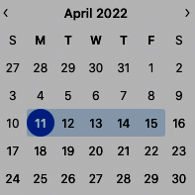
Team Meeting
4/21/2022 (4/18)
 |  |  |  |  | Present: Wes, Kyle, Wes, CJ, Stephanie
Topics
1.) | This week - Wes Vac Wed-Fri; SA - Thurs & Fri; CJ - Thurs & Fri
2.) | Tues - CJ&Kyle - Holly Springs = punch list & inventory & rec'v shipment; Wed - CJ Doors; Thurs - Door Install Chadwick (Sam will schedule Rogelio for Thurs&Fri)
3.) | Equipment - Service Tracking - Ues of Equipment Form
4.)
5.)
6.)
7.)
PROJECTS
Current Projects (Start Date) | Project Manager | Subcontractor & Schedule THIS WEEK | Subcontractor & Schedule NEXT WEEK/FUTURE | Upcoming Job Site Visit Date | Weekly Job Summary (Materials Ordered/Arrival Date/Work Performed/Action Taken) | Action Items Next Week (Change Order Submission Needed/Unsafe Conditions/Materials/Opportuities) | Estimated Job Completion Date
HRP Haywood II | Wes | Cipriano | Cipriano mid-April-June |  | Site visits 4/13 & 4/14 - Started siding Wed 4/13, stair completion underway, shingles to be dlivered Monday morning (Bldg 2 under construction then 1) *4/14 DWA* | Roofing material delivery scheduled for Friday, 4/15/22. Zavala to begin install on Monday, 4/18/22. Metal roofing materials to be ready for pick-up @ TCM by CoB 4/14.*SJH - 4/14* | 2022-07-31
HRP Crest (5/2021) | Wes |  | Rigo Mon-Thurs Future Hillstone & Cipriano Punch |  | Half material is out remaining scheduled 4/21; 1 boom gone, 1 picked up. Forklift picked up 4/13. *4/14 DWA* | Rigo completing gutters, need to scheduled another truck for this week. | 2022-04-30
HRP Holly Springs | Wes | Abel Gamboa | Abel through June (Crew 1) |  | TC still waiting on colors for shake on clubhouse - none yet; boomlift incident on retaining wall (painters); Abel finishing punch lists 2, 1, 7 & clubhouse | Next builidng starting - material should arrive this week | 2022-06-30
HRP Pine Forest II (4/16/22) | Wes |  | Abel through Sept (Crew 3) | estimated start mid-May |  | SA to prepare pay apps for material billing.
KMW Church St Lofts (4/2022) | SJH |  | Gerardo? |  | Doors ordered through GCL on Wednesday, 4/13/22. Delivery ETA has not yet been given. *SJH - 4/14*
KMW Leo Loso/Gateway @ CLT Park | Wes | Rogelio 4/13 | Cipriano June-August |  | EZ trim delivered on Wednesday, 4/13/22 - organized and put into container by Roy. Josh is still to determine siding color for 1-coat painting. *SJH - 4/14* | We need colors from KMW & RFI for trim around the windows. Sam to review plans for flashing details.
KMW Retreat | Wes |  | Abel through May (Crew 2) | estimated 5/25/22 | Sam to follow up with W. Palma regarding door installation. Need to check on nailing pattern for panel and siding - no significant details in Hardie's product page. *SJH - 4/14* | Sam to review plans for flashing details. | 2022-05-30
KMW Springfield | SJH |  | Pato? |  | Storm doors were delivered into container on Tuesday, 4/12/22. Container locked. Email sent to Banner to check on door hardware - Material list and order was sent to them on 11/17/21 per email correspondance. *SJH - 4/14*
St. Marks | SJH | Manuel |  |  | Zavala is installing metal roofs on risers on Thursday, 4/14/22. Rogelio to complete siding on riser extensions on Friday, 4/15/22. *SJH - 4/14*
Terrell St. | SJH | Rigo |  |  | Waiting on arrival of new bathroom wall paneling - delivery scheduled for Monday, 4/18/22. Job will be complete once wall paneling, vanity, and toilet are installed in bathroom. *SJH - 4/14* | Need Rigo to install paneling and button up job on Tuesday, 4/19/22 *SJH - 4/14* | 2022-04-15
Windridge | Wes | Manuel | Manuel |  | Working on 2nd to last bldg - and wrapping up 1st bldg | Need to get 4x10 panels to Manuel next week. Will likely need (20)+ panels. *SJH - 4/14*
Edgewater Village (4/22/22) | SJH
Upcoming Projects (Start Date) | Project Manager | Subcontractor |  |  | Weekly Planning Summary (Materials Ordered/Arrival Date/Change Order Submission Needed/Unsafe Conditions/Opportuities) | Action Items This Week | Estimated Start Date
HRP Mill |  |  |  |  | Updated pricing sent for this project
Wakefield (2/2023) |  |  |  |  | Hardie pricing verification and hold request sent to C. Little on 4/13. Will update if anything changes drastically. *SJH - 4/14*
Edgewater Village | SJH | TKG Renovations | ~4/25 | Trey Melton | Property is awaiting the delivery of their material package. The bulk of the order should be on-site before 4/25. Doors will be installed first, then paint and flooring, then completion of material install. *SJH - 4/14* | Sam to meet with Trey on 4/18 or 4/19 to discuss final details before renovation begins. *SJH - 4/14*

Pipeline/Bids | Project Manager | Anticipated Subcontractor | Estimated Start Date | Customer Contact | Bid Status | Action Needed/Comments | Estimated Start Date
Courtyard Commons | SJH | TKG Renovations | TBD | Derek Evans | Met with Sterling on 4/14 to determine hard-surface counter finishes. Setting up meeting with GYF to choose tile backsplash finishe. Contract pricing will be updated and approved per Sterling Kelly. *SJH - 4/14* | Follow up with vendors as finishes are selected to push contract forward. *SJH - 4/14*
Partnership
PPM-Kings Crossing | KW |  |  | Jason Bufkin | Stair replacement, site steps, sidewalk plates
PPM - Plantation Village | KW |  |  | Jason Bufkin | Roofing, Windows, Dumpster Fence, Mailbox Posts, 8x8
PPM - Silver Trace Apts | KW |  |  | Jason Bufkin | Stair Tread replacement, mailbox posts (8x8)
PPM - Little Pee Dee Manor | KW |  |  | Jason Bufkin | Gazebo Enclosure, Fountain pricing
PPM - Churchwood Apts | KW |  |  | Jason Bufkin | 2 story bay window replacement , accent siding, aluminum columns per PM
PPM - Greenfield | KW |  |  | Jason Bufkin | Storage room doors, roof replacement, siding pricing per building
Mountain Glen | KW |  | 2022-08-22 | KMW | Submitted, revising pricing per Kevin
KMW - Hartwood Village | KW |  |  |  | Roofing, windows, interior doors, hardware, dumpster fence | Waiting on pricing back on interior doors/windows from GCL, ABC
PPM - Westridge Apts. | KW |  |  | Jason Bufkin

